Sheet1
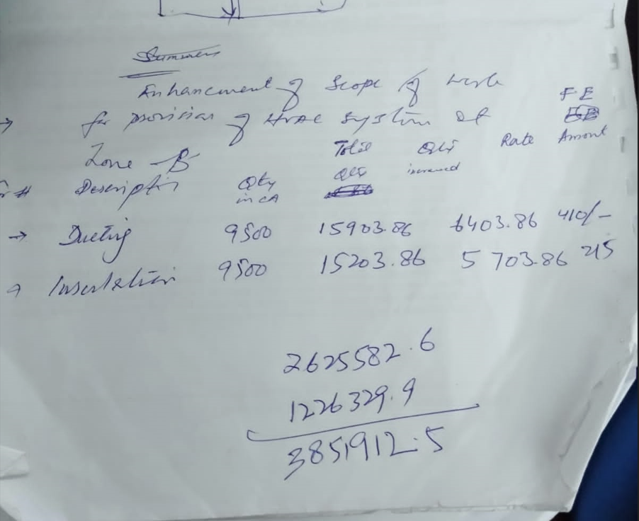
PIONEER SERVICES

M/S Director Development
NASTP PAF Faisal Karachi

 |  |  |  |  |  |  | 12-Sep-23
C.

S.# | Description | Unit | Qty Increased | Qty work done | Work done % | Rate | Total Amount Work Done
1 | Ducting | SFT | 6,403.86 | 6,403.86 | 100% | 410 | 2,625,583
2 | Insulation | SFT | 5,703.86 | 5,703.86 | 100% | 215 | 1,226,329
Total Amount Rs |  |  |  |  |  |  | 3,851,912

For PIONEER SERVICES.

